PSP Troffs - Casting Checklist
checklist-sectioned | PSP Troffs Beams Casting Checklist
section | Pre-Pour Checklist - Stage 1
section | Supervisor Release - Stage 1
section | Casting Checklist - Stage 1
checkpoint | Casting Information
text | Cast Date
checkpoint | Concrete Delivery Dockets
text | Concrete Delivery Dockets (list all)
checkpoint | Total Concrete Volume
text | Volume (m3)
checkpoint | Mix Design Verified
text | Specify mix used
checkpoint | Ambient Temperature within Limits
label | max 38°C
checkpoint | Concrete Temperature
label | max 32°C
checkpoint | Slump within Allowable Tolerance (200+/-40) (Tested every truck)
text | Slump (list all)
checkpoint | Trucks Tested for strength (Tested 1st truck and subsequently for every 20m3)
text | Test Report Reference Number (list all)
checkpoint | Time Lag Between Trucks not exceeded 20 minutes
checkpoint | Concrete Placed within allowable time from Batching Plant
checkpoint | No Free Fall During Pour (not more than 2 metres from ground)
checkpoint | Required Finish Applied as per Drawings
checkpoint | Retarders applied on Green Cut areas as shown in drawings
checkpoint | Concrete Covered Overnight
checkpoint | Cylinders Stored next to Bed
section | Pre-Pour Checklist - Stage 2
text | Cast Number
text | Beam Number
checkpoint | Shop Drawings approved for Works
checkpoint | Mould Dimensions are within Shop Drawings Tolerance
label | Length
label | Width
label | Height
label | Straightness
label | Cross-section
checkpoint | Mould Surface Checked
label | Cleaned
label | Sealed
label | Rubbers in Place
label | Oiled
label | Chamfers in Place
checkpoint | Reinforcement in Accordance with Drawings
label | Reinforcement size
label | Lap Length
label | Splicing
label | Bar Chairs
checkpoint | Detailed inspection of Mould and cage
checkpoint | Cover maintained and within tolerance
checkpoint | Earthing and Bonding is installed in accordance with Drawings
text | Earthing Terminals (FDB-16)
text | 100mm long 6mm fillet welds between bars/ 55mm long butt welds
text | <20 mOhm across cage Length
text | Checklist Completed (attach results)
checkpoint | Ferrules installed as per drawing
text | List all types of ferrules and quantities
checkpoint | Deck heights and width
text | Deck heights according to drawings
text | Deck width according to drawings
checkpoint | Condeck installed as per drawings
checkpoint | All Temperature Loggers are installed as per Approved WMS
text | Ensure All temperature Loggers are Working (Check Maturix)
checkpoint | All Cooling tubes installed as per drawings
checkpoint | QA Engineer Check Completed by
checkpoint | Client Inspector (if present)
section | Supervisor Release - Stage 2
checkpoint | Supervisor Release to Engineering Team
section | Casting Checklist - Stage 2
checkpoint | Casting Information
text | Cast Date
checkpoint | Concrete Delivery Dockets
text | Concrete Delivery Dockets (list all)
checkpoint | Total Concrete Volume
text | Volume (m3)
checkpoint | Mix Design Verified
text | Specify mix used
checkpoint | Ambient Temperature within Limits
label | max 38°C
checkpoint | Concrete Temperature
label | max 32°C
checkpoint | Slump within Allowable Tolerance (180+/-40) (Tested every truck)
text | Slump (list all)
checkpoint | Trucks Tested for strength (Tested 1st truck and subsequently for every 20m3)
text | Test Report Reference Number (list all)
checkpoint | Time Lag Between Trucks not exceeded 20 minutes
checkpoint | Concrete Placed within allowable time from Batching Plant
checkpoint | No Free Fall During Pour (not more than 2 metres from ground)
checkpoint | Required Finish Applied as per Drawings
checkpoint | Retarders applied on Green Cut areas as shown in drawings
checkpoint | Concrete Covered Overnight
checkpoint | Cylinders Stored next to Bed
section | Stripping Checklist
checkpoint | Date Stripped
text | Enter Date
checkpoint | Concrete Cylinders Crushed and Checked for stripping strength
label | Conversion KN to MPa = Reading / 7.851
label | Stripping strength 37MPa
text | Stripping Strength | 8
checkpoint | Verify Destressing/Transfer of stress required strength
label | Destress at 37MPa
text | Specify Strength at time of destressing
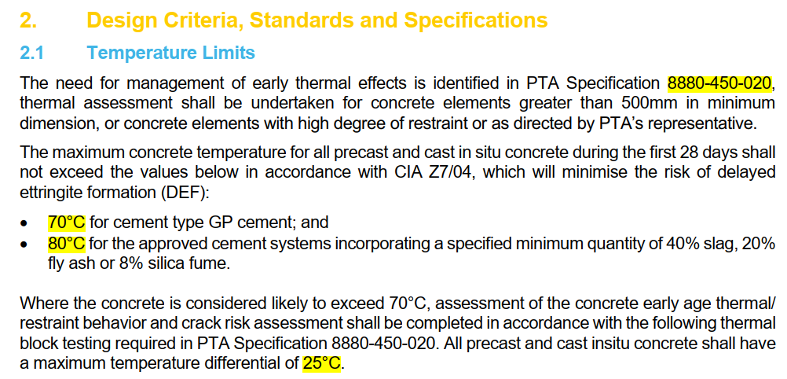
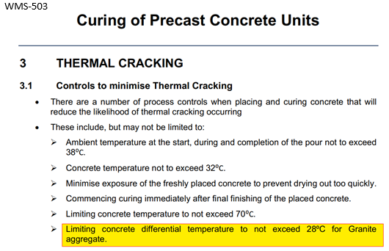
checkpoint | Lifting Strength Achieved
label | Lifting strength required - 37MPa
checkpoint | Curing strength
label | 45.5MPa - 70% of fc (Characteristic design strength 65MPa)
label | Beam tarped for 7 days after pour
checkpoint | Lifted and Handled as per Drawings
checkpoint | Product Clearly Labelled
text | add photos
checkpoint | Storage as per Approved Temporary Works Drawings
checkpoint | Secondary Curing as per Approved Methodology if required
label | Temperature 5 degrees less than its peak value
label | Max temperature does not exceed 70°C
label | Differential between Core and Ambient within 30°C
label | Differential between Core and Cover within 25°C
checkpoint | Product Dimensions Achieved and are within Specified Tolerance
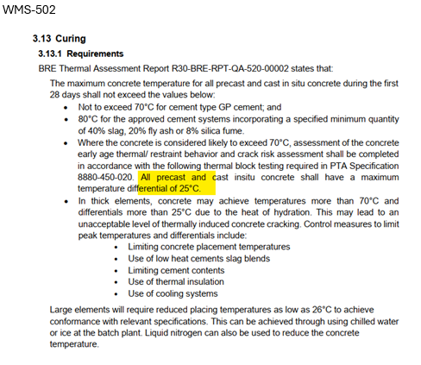
label | Length
label | Width
label | Height
label | Straightness
label | Cross-section
checkpoint | Specified Finish Achieved
checkpoint | Cast-in Items are all in Place and within Specified Tolerance
text | Ferrules
text | Lifters
text | Blockouts
checkpoint | Post-Pour Works Completed (As Required)
text | Strands are Cut Flush
text | Ferrules are Cleaned and Capped
text | Roughened Surfaces are Greencut
text | Water Removed out of Cooling Pipes
text | All Miscellaneous Items are Completed
text | Bottom surface clear from tie wire (Attach Pictures)
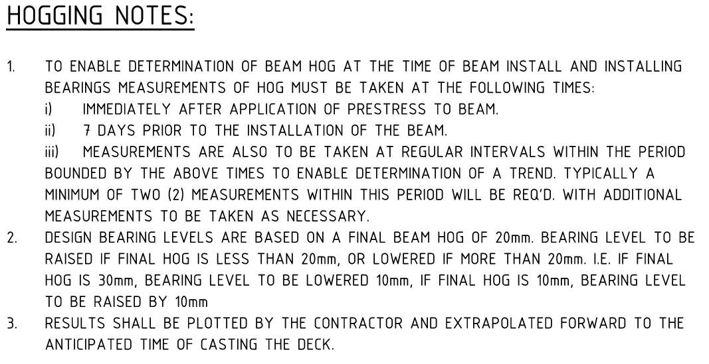
checkpoint | Temperature Logging Completed and Conforming. Attach Results
section | Any Defect Identified
checkpoint | Punchlist Completed
checkpoint | Repairs Required (if applicable)
checkpoint | Repairs Completed as per approved WMS (if applicable)
checkpoint | Crack Map Completed (if applicable)
checkpoint | Any NCR Required (if applicable)
checkpoint | NCR Approved by Client and Repairs Completed (if applicable)
section | As-Built Drawings
checkpoint | As-Built Drawings Completed, Stamped and Attached
section | Concrete Strength Test Report
checkpoint | Concrete Strength Test Report Received
text | Concrete Test Report | 9
text | 7 Day Strength (List all) | 10
text | 28 Day Strength (List all) | 11
section | Transportation Requirements
checkpoint | Certificate of Conformance
checkpoint | Inspection Release Certificate
checkpoint | Punchlist signed copy
checkpoint | Delivery Notes
checkpoint | Delivery Docket
section | Final Acceptance
checkpoint | Completed by
checkpoint | Reviewed by
checkpoint | Client Representative (if applicable)

